Test case template
Център за обучение по софтуерно тестване Website: http://skillo-bg.com

Bug ID | PSB001
Name | Shop Now Button redirect to other site
Priority | P1
Severity | S1
Description | The button SHOP NOW redirect us to other site - https://www.prestashop.com/en?utm_source=v16_homeslider
Steps to reproduce | 1. Load page at ( http://automationpractice.com) 2. Click on white button SHOP NOW on the left side on the screen Expected result: Load page screen where we can shop dreses Actual result: Redirect us to other site - https://www.prestashop.com/en?utm_source=v16_homeslider
Attachment | 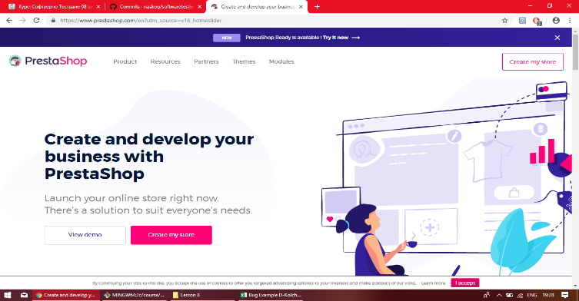 Picture added
Status | New bug have to be fixed
Component | Shop Now Button
Version/Build number (Found in)
Environment | Chrome browser
Comments
Date Created | 31-Oct-18
Author | Dimitar Kolchev
Audit Log | Dimitar Kolchev 31.10.2018 19:33ч

